metodologi
MACRO ECONOMY factor
MICRO ECONOMY factor
Volality Index (VIX Index)

Inflation Rate | Price to Earning Ratio

BI 7Days Repo Rate | Price Book Value

Exchange Rate IDR-USD | Return on Equity
source datasets : Central Bank
source datasets : Stock exchange
source datasets : yahoo finance

DATASETS

Preprocessing
Datasets

Data
Splitting

Hyperparameter
Optimization

Trained
Model
Predicted
Y-values
Predicted
Y-values
Evaluated
Model
Performance

Preprocessing
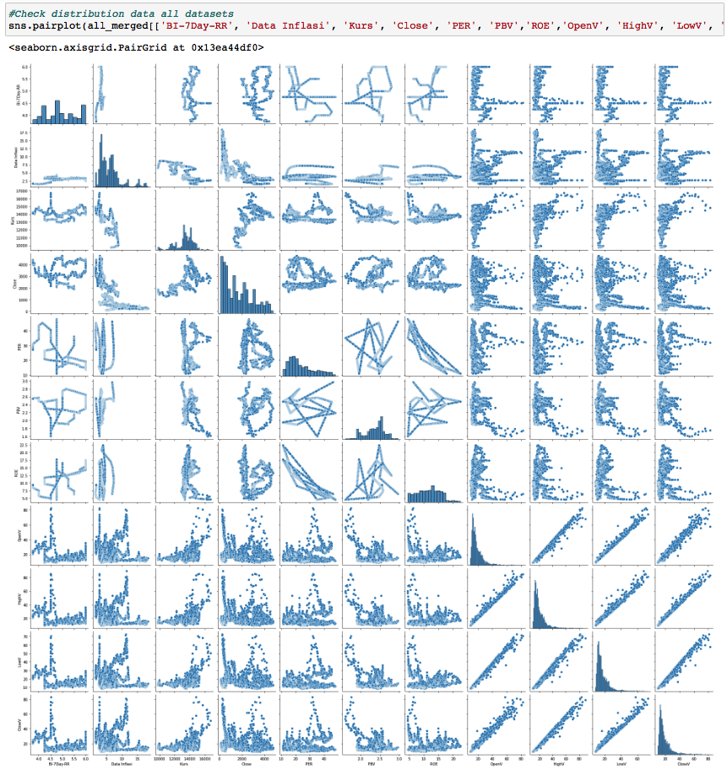
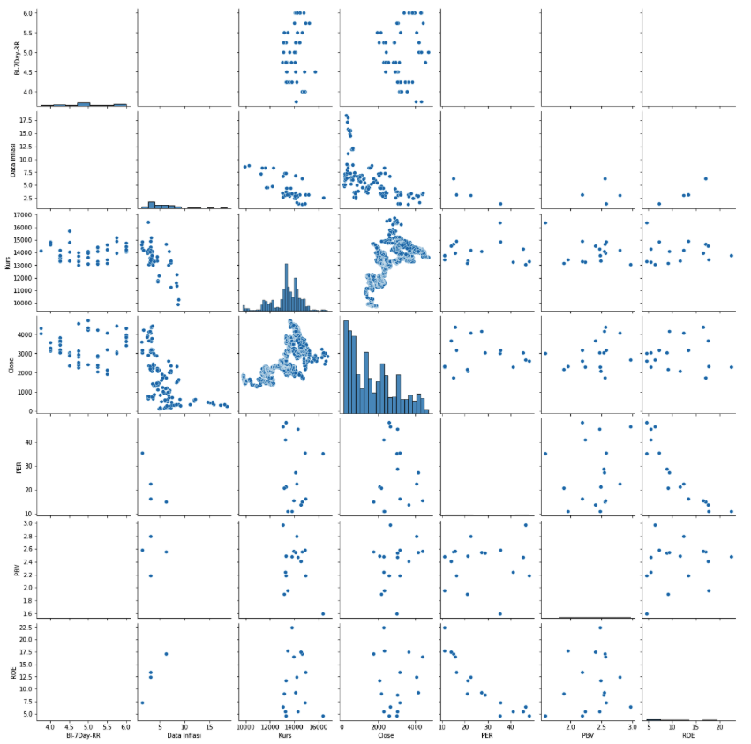
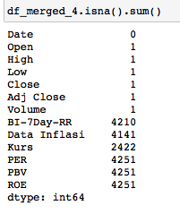
Correlation Heatmap BBRI
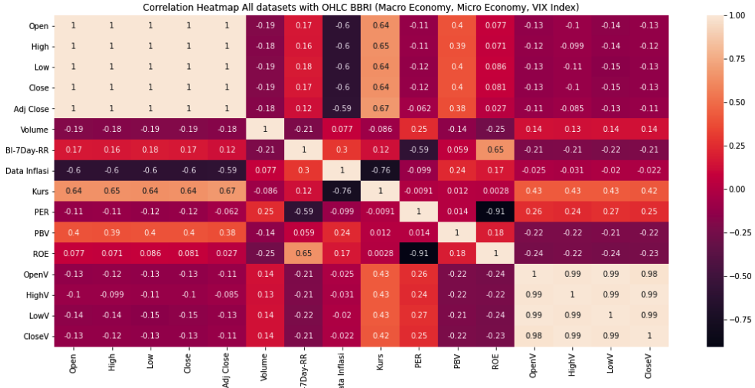

Pairplot Macro economy
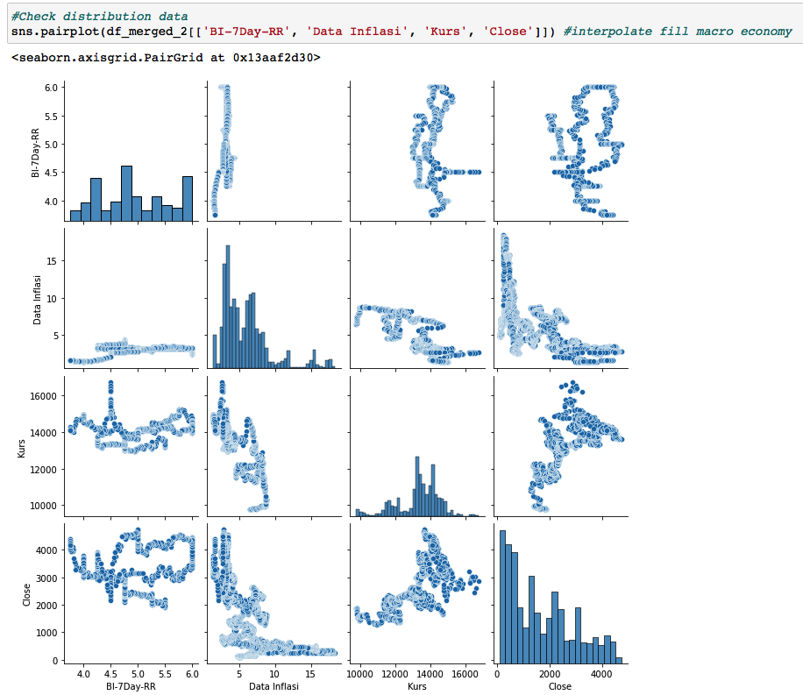

Pairplot All Merged (All variabel) | Pairplot imputasi (61) | 62

outliers
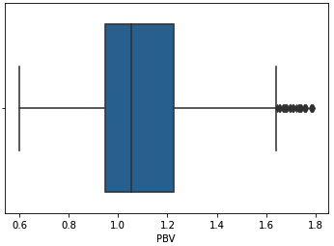
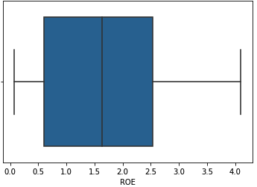
Macro Economy
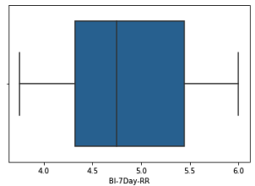
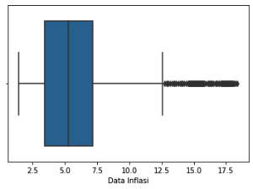
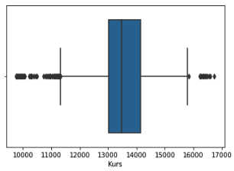
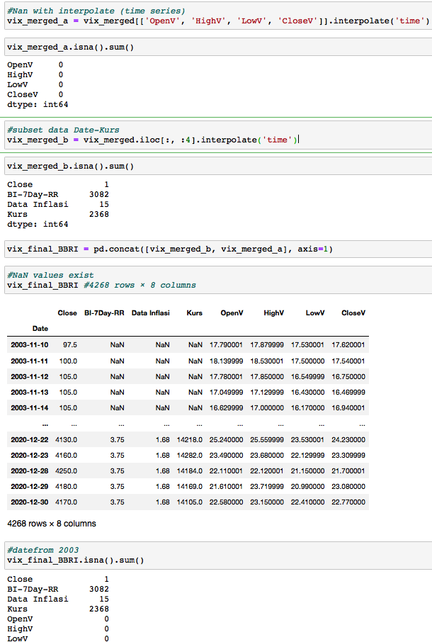
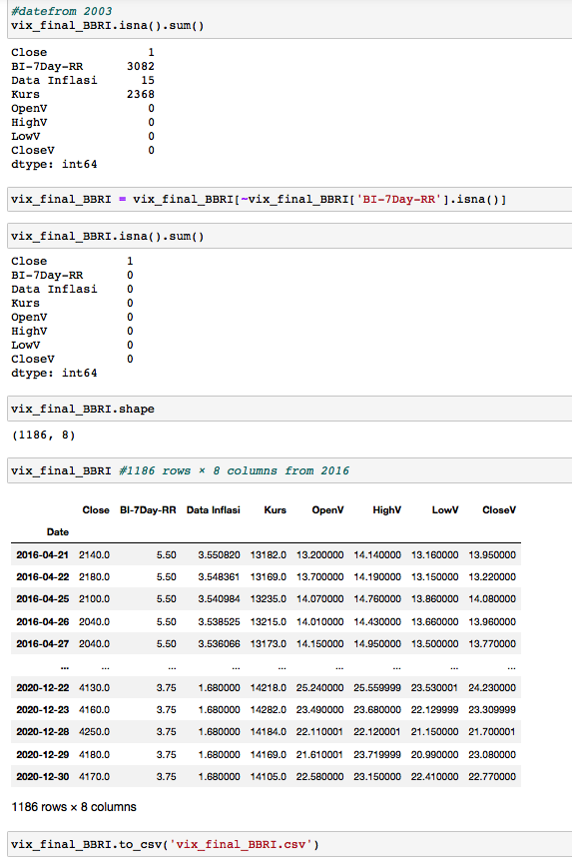

BBRI Micro Economy
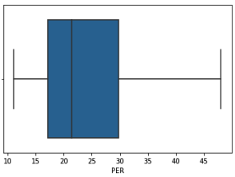
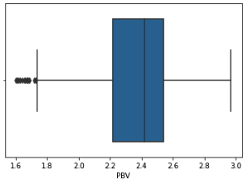
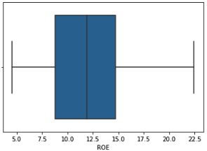

CPIN Micro Economy
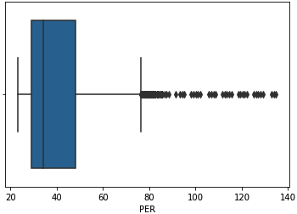
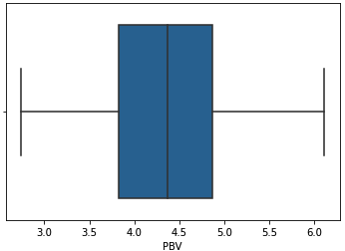
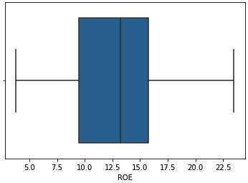

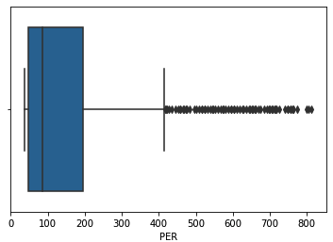
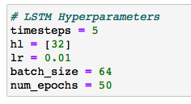
INCO Micro Economy

Pre-Macro
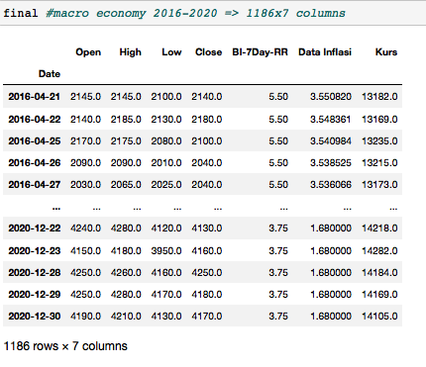
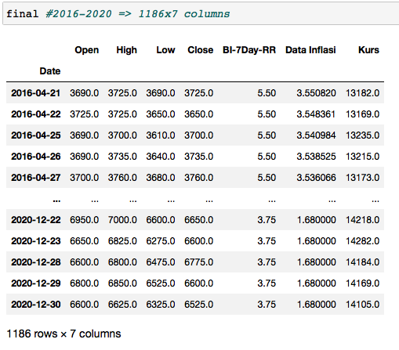
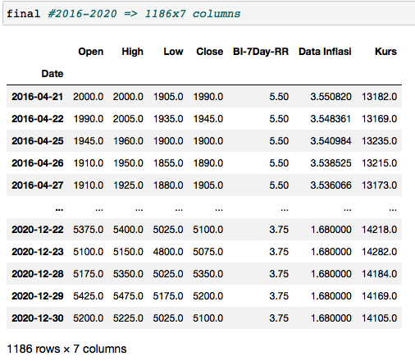
df_merged_2 (-BI 7 Days Repo Rate) | 72

Data Distribution (dataset): Macro Economy |  | Data Distribution (dataset): | Data Distribution (dataset): | Data train: 2016-04-21:2019-07-31
BBRI = 2003-11-10 00:00:00 until 2020-12-30 00:00:00, |  | CPIN = 2005-09-29 00:00:00 until 2020-12-30 00:00:00, | INCO = 2005-09-29 00:00:00 until 2020-12-30 00:00:00, | Data validation: 2019-08-01:2020-06-30
BI Rate = 2016-04-21 00:00:00 until 2020-12-17 00:00:00, |  | BI Rate = 2016-04-21 00:00:00 until 2020-12-17 00:00:00, | BI Rate = 2016-04-21 00:00:00 until 2020-12-17 00:00:00, | Data test: 2020-07-01:2020-12-31
Inflasi = 2003-10-01 00:00:00 until 2020-12-01 00:00:00, |  | Inflasi = 2003-10-01 00:00:00 until 2020-12-01 00:00:00, | Inflasi = 2003-10-01 00:00:00 until 2020-12-01 00:00:00,
Kurs = 2013-05-20 00:00:00 until 2020-12-30 00:00:00 |  | Kurs = 2013-05-20 00:00:00 until 2020-12-30 00:00:00 | Kurs = 2013-05-20 00:00:00 until 2020-12-30 00:00:00 | (837, 7) (227, 7) (121, 7)

BI-&Day & Inflasi are low standard deviation,mean | 50 | BI-&Day & Inflasi are low standard deviation,mean | BI-&Day & Inflasi are low standard deviation,mean
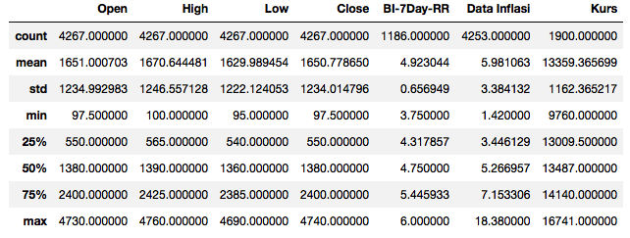
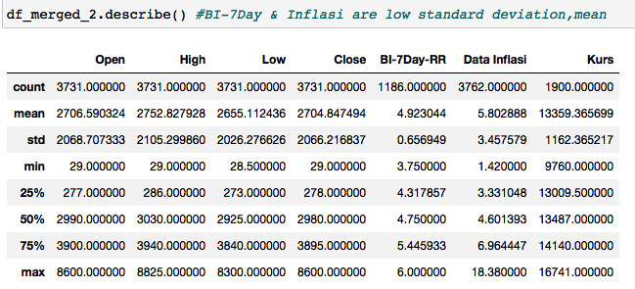
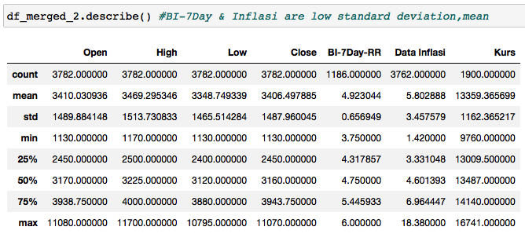

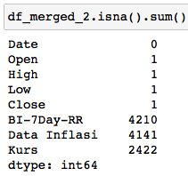
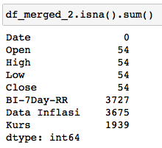
data df2 macro economy awal | 28 | data df2 macro economy awal | data df2 macro economy awal
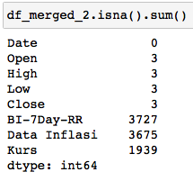

data df2 macro economy awal | 31 | data df2 macro economy awal | data df2 macro economy awal
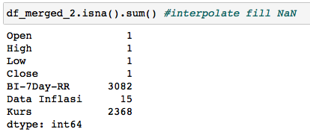
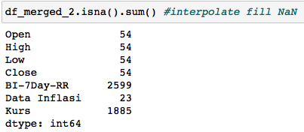
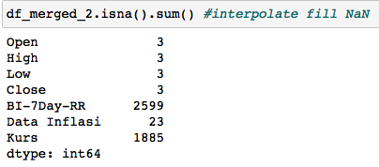

~df_merged_2['BI-7Day-RR'] | 76 | ~df_merged_2['BI-7Day-RR'] | ~df_merged_2['BI-7Day-RR']

Pre-Micro
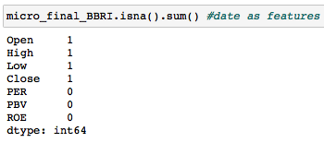
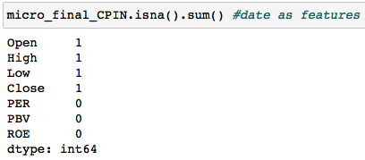
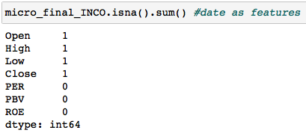
BBRI | 108 | CPIN | INCO
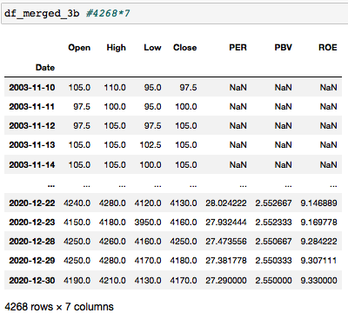
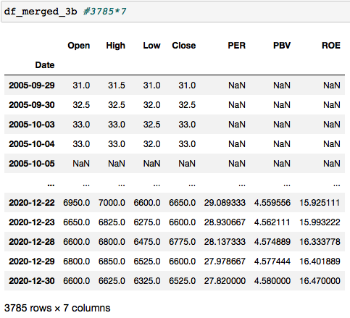
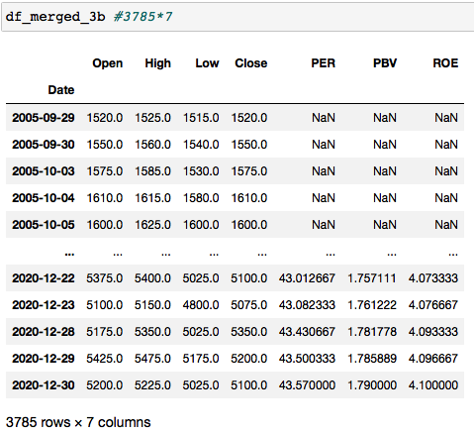
 |  |  |  | Train Data: 2016-04-21:2019-07-31
 |  |  |  | Validation Data: 2019-08-01:2020-06-30
 |  |  |  | Test Data: 2020-07-01:2020-12-31
 |  |  |  | ---------
 |  |  |  | (837, 7) (227, 7) (121, 7)

 | 110
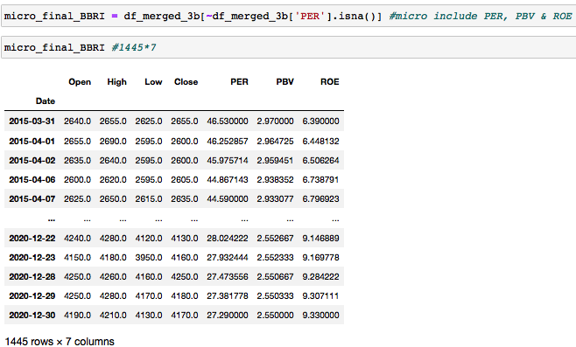
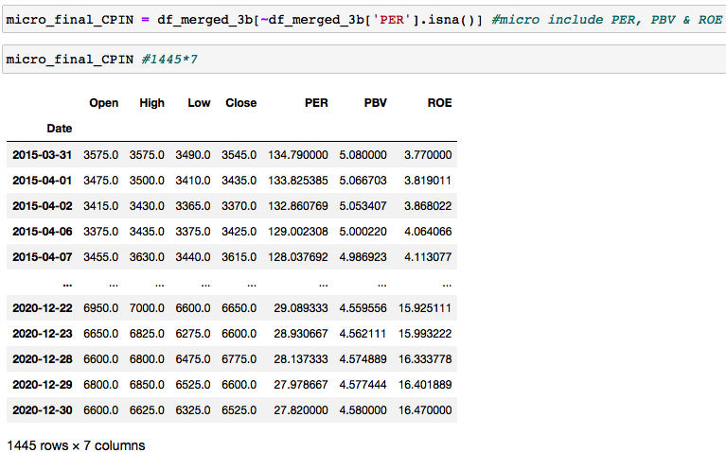
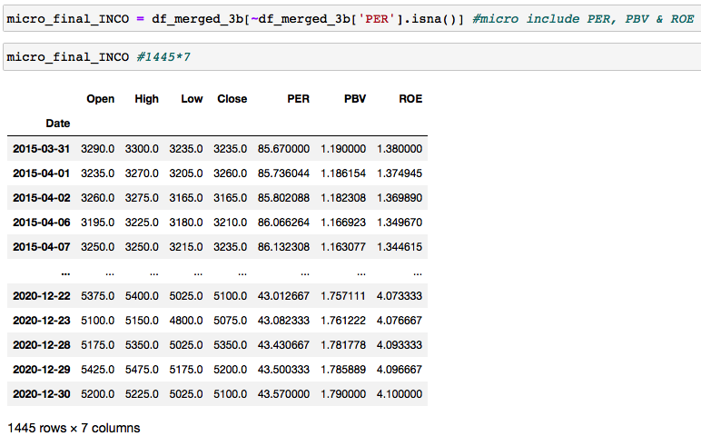

 | 111

Pre-Vix
BBRI | 96 | CPIN | INCO
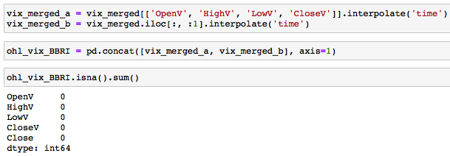
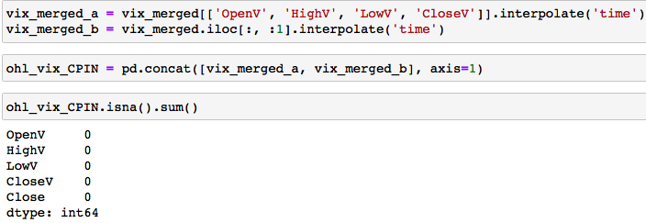
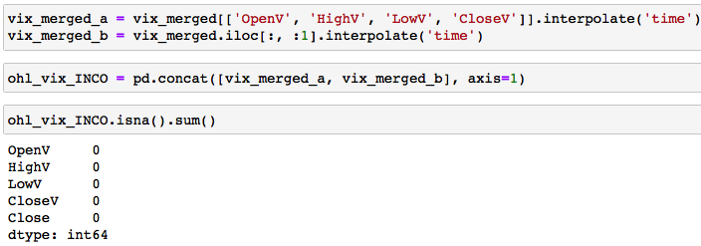

 | 99
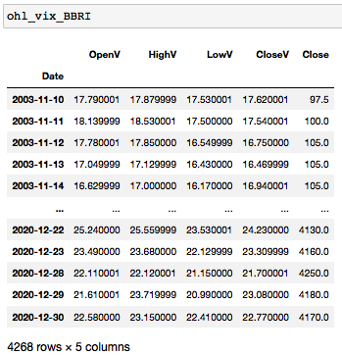
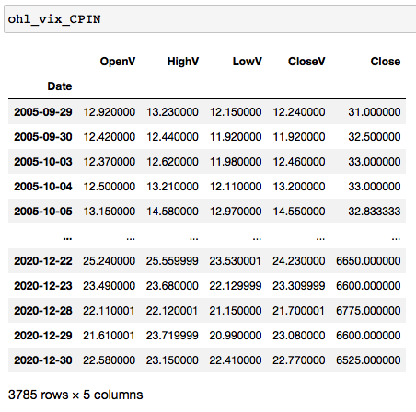
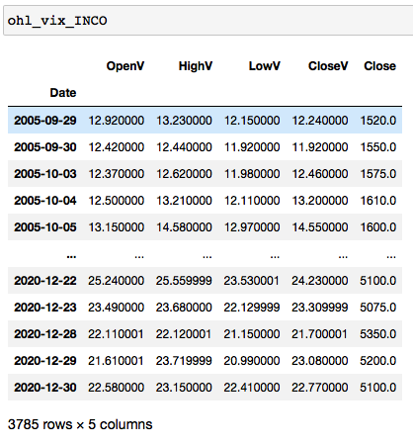

Data train 2003-11-10:2015-11-25 |  | Data train 2005-09-29:2016-07-30 | Data train 2005-09-29:2016-07-30
Data validation 2015-11-26:2019-03-31 |  | Data validation 2016-08-01:2019-06-25 | Data validation 2016-08-01:2019-06-25
Data test 2019-04-01:2020-12-31 |  | Data test 2019-06-26:2020-12-31 | Data test 2019-06-26:2020-12-31

(2984, 4) (848, 4) (436, 4) |  | (2664, 4) (747, 4) (374, 4) | (2664, 4) (747, 4) (374, 4)

